Indices

 | Iraq Stock Exchange
 | Bulletin No (81)
 | ISX Trading Indices of Sunday 10/5/2026

 | Traded Volume and OTC |  | 1,093,810,876 |  | Traded Value and OTC |  | 2,025,997,583 |  | Traders | 1669

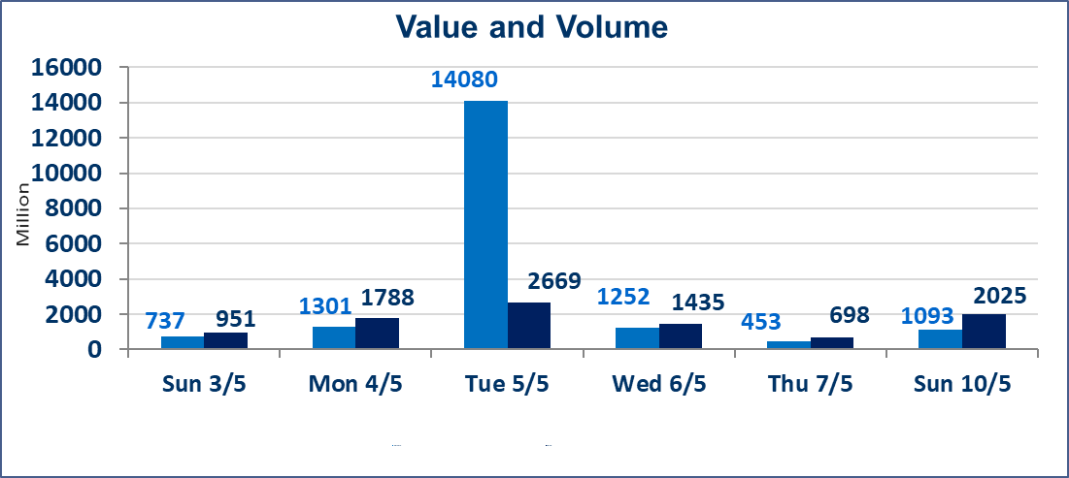
 | ISX Index 60 |  |  | 956.65 | ISX Index 15 |  |  | 1246.20
 | Previous ISX Index60 |  |  | 987.37 | Previous ISX Index15 |  |  | 1257.66
 | Change % |  |  | -3.11 | Change % |  |  | -0.91
 | Change |  |  | -30.72 | Change |  |  | -11.46

 | Listed Companies | 104 | OTC | 14 | Non Traded listed | 43 | OTC | 12
 | Traded Listed Companies | 51 | OTC | 2 | Higher Companies |  |  | 11
 | GAM Companies |  |  | 2 | Lower Companies |  |  | 14
 | Suspended Companies |  |  | 8
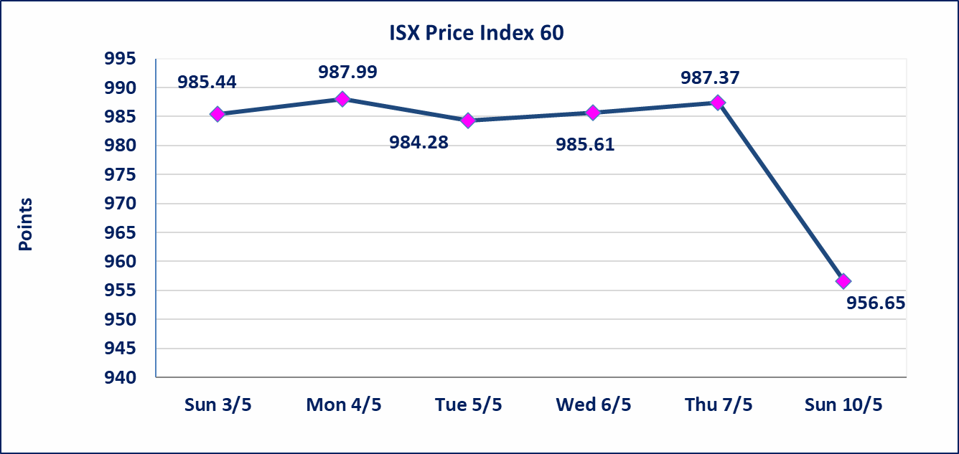
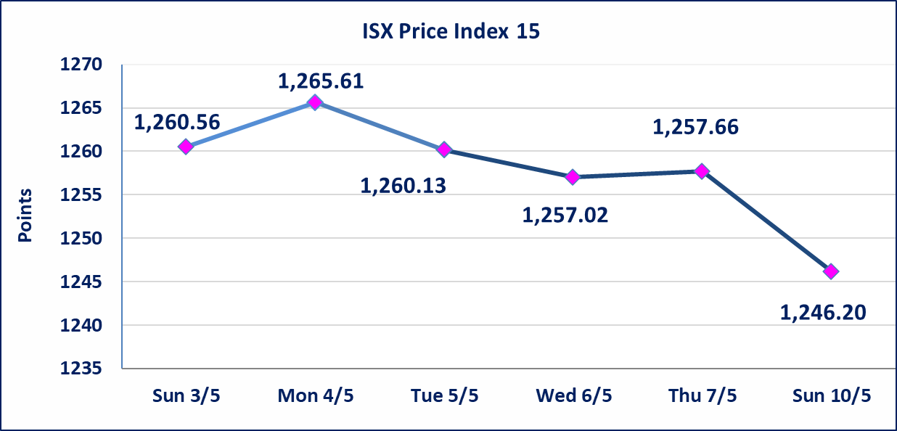

Al-Alwiya P.O . 3607 Mobile: 07711211522 - 07270094594 - 07834000034 E-mail: info-isx@isx-iq.net Web site:www.isx-iq.net

Top 5
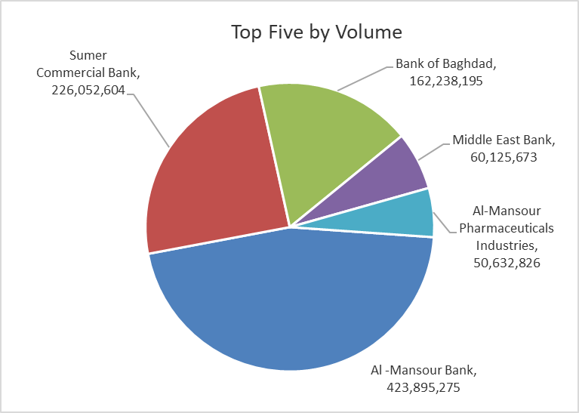
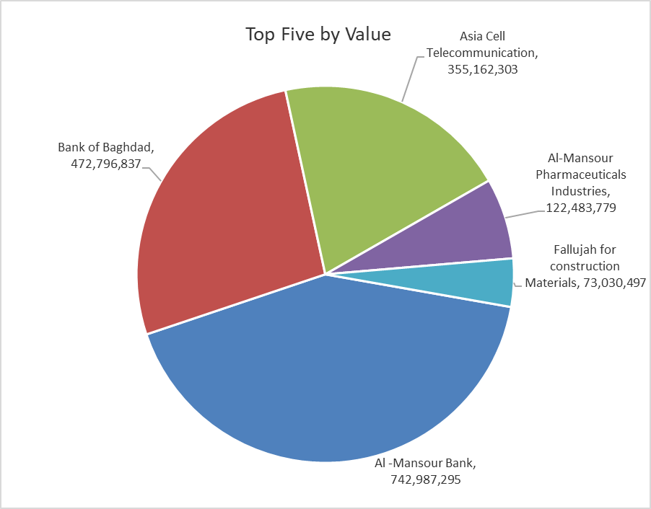

ISX top ganing and losing companies
Sunday 10/5/2026
 | Gainers |  |  |  | Losers
 | Company Name | Closing Price | Change (%) | Traded Volume | Company Name | Closing Price | Change (%) | Traded Volume
 | Al-Mosul for funfairs | 7.460 | 4.92 | 107,000 | Babil Animal & Vegetable Production | 9.500 | -3.94 | 475,248
 | AL-Badia for General Trans | 1.310 | 4.80 | 3,402,712 | Ashur International Bank | 0.250 | -3.85 | 20,451,000
 | Fallujah for construction Materials | 2.890 | 4.71 | 25,481,367 | Gulf Commercial Bank | 0.340 | -2.86 | 10,325,488
 | The Light Industries | 1.260 | 3.28 | 1,455,600 | Palestine Hotel | 18.550 | -1.96 | 904,304
 | Ishtar Hotels | 9.370 | 2.52 | 51,268 | Al -Mansour Bank | 1.740 | -1.69 | 423,895,275
 | The most active companies in term of traded volume and value

 | Traded Volume |  |  |  | Traded Value
 | Company Name | Closing Price | Change (%) | Traded Volume | Company Name | Closing Price | Change (%) | Traded Value
 | Al -Mansour Bank | 1.740 | -1.69 | 423,895,275 | Al -Mansour Bank | 1.740 | -1.69 | 742,987,295
 | Sumer Commercial Bank | 0.200 | 0.00 | 226,052,604 | Bank of Baghdad | 2.940 | -11.18 | 472,796,837
 | Bank of Baghdad | 2.940 | -11.18 | 162,238,195 | Asia Cell Telecommunication | 16.950 | 0.00 | 355,162,303
 | Middle East Bank | 0.090 | 0.00 | 60,125,673 | Al-Mansour Pharmaceuticals Industries | 2.410 | -0.41 | 122,483,779
 | Al-Mansour Pharmaceuticals Industries | 2.410 | -0.41 | 50,632,826 | Fallujah for construction Materials | 2.890 | 4.71 | 73,030,497

Non Iraqis

Iraq Stock Exchange
Non Iraqis' Bulletin Sunday May 10 2026
Regular Market

Non Iraqi Trading of Regular Market (Buy)
Company Names | Code | No.of trades | Traded Shares | Trading Volume
Banks Sector
Bank Of Baghdad | BBOB | 3 | 150,000 | 437,500
Investment Bank of Iraq | BIBI | 1 | 26,813 | 6,703
Total Bank sector |  | 4 | 176,813 | 444,203
Grand Total |  | 4 | 176,813 | 444,203

Non Iraqi Trading of Regular Market (Sell)
Company Names | Code | No.of trades | Traded Shares | Trading Volume
Banks Sector
Al-Mansour Bank | BMNS | 86 | 90,000,000 | 157,500,000
Total Bank sector |  | 86 | 90,000,000 | 157,500,000
Grand Total |  | 86 | 90,000,000 | 157,500,000

Not Trading Bonds

Iraq Stock Exchange
Sunday 10/5/2026
Not Trading Bonds Bulletin
Bond type | Publish type | Code | last trading price | immortilize date
Banaa Bonds /Million ID | Second | CB20 | 964,981 | 19/12/2025
Eamar Bonds /Million ID | First | CB30 | 1,001,095 | ــــــــــــــــ
Eamar Bonds /Million ID | Second | CB40 | ــــــــــــــــ | ــــــــــــــــ
Eamar Bonds /500 Thousand ID | Third | CB45 | ــــــــــــــــ | ــــــــــــــــ
Eamar Bonds /Million ID | Third | CB50 | ــــــــــــــــ | ــــــــــــــــ
Injaz Bonds /500 Thousand ID | First | CB55 | ــــــــــــــــ | ــــــــــــــــ
Injaz Bonds /Million ID | First | CB60 | 951,110 | ــــــــــــــــ
Injaz Bonds /500 Thousand ID | Second | CB65 | 507,301 | ــــــــــــــــ
Injaz Bonds /Million ID | Second | CB70 | 965,050 | ــــــــــــــــ
Injaz Bonds /500 Thousand ID | Third | CB75 | ــــــــــــــــ | ــــــــــــــــ
Injaz Bonds /Million ID | Third | CB80 | 978,182 | ــــــــــــــــ
National Bonds/Million ID | First | CB90 | ــــــــــــــــ | ــــــــــــــــ
National Bonds/500 Thousand ID | Second | CB95 | ــــــــــــــــ | ــــــــــــــــ
National Bonds/Million ID | Second | CB100 | ــــــــــــــــ | ــــــــــــــــ

